5
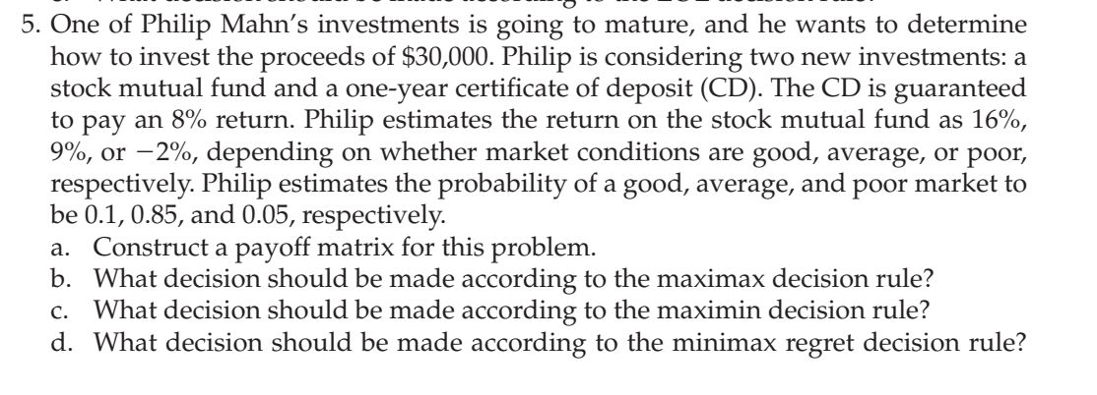
Investment | 30000
Decision alternatives | good | average | poor
CD | 8% | 8% | 8%
Stock Mutual fund return | 16% | 9% | -2% |  | FV formula | $32,400.00

Payoff matrix
 | State of nature
Decision alternative | good | average | poor
Deposit CD | $32,400.00 | $32,400.00 | $32,400.00
Mutual fund | $34,800.00 | $32,700.00 | $29,400.00
a) This is the required payoff matrix.

Maximax Decision Rule
 | State of nature
Decision alternative | good | average | poor | Max | Decision
Deposit CD | $32,400.00 | $32,400.00 | $32,400.00 | $32,400.00
Mutual fund | $34,800.00 | $32,700.00 | $29,400.00 | $34,800.00 | maximum | Select this
b) Hence, Philip should invest in mutual fund using maximax decision rule.

Maximin Decision Rule
 | State of nature
Decision alternative | good | average | poor | Min | Decision
Deposit CD | $32,400.00 | $32,400.00 | $32,400.00 | $32,400.00 | maximum | Select this
Mutual fund | $34,800.00 | $32,700.00 | $29,400.00 | $29,400.00
c) Hence, Philip should invest in CD using maximin decision rule.

Minimax Regret Decision Rule
 | State of nature
Decision alternative | good | average | poor | Max | Decision
Deposit CD | $2,400.00 | $300.00 | $0.00 | $2,400.00 | minimum | Select this
Mutual fund | $0.00 | $0.00 | $3,000.00 | $3,000.00
d) Hence, Philip should invest in CD minimax regret decision rule.

EMV Decision Rule
Decision alternative | good | average | poor | EMV | Decision
Deposit CD | $32,400.00 | $32,400.00 | $32,400.00 | 32400
Mutual fund | $34,800.00 | $32,700.00 | $29,400.00 | 32745 | maximum | Select this
probability | 0.1 | 0.85 | 0.05
e) Hence, Philip should invest in mutual fund using EMV decision rule.

EOL Decision Rule
Decision alternative | good | average | poor | EOL | Decision
Deposit CD | $2,400.00 | $300.00 | $0.00 | $495.00
Mutual fund | $0.00 | $0.00 | $3,000.00 | $150.00 | minimum | Select this
probability | 0.1 | 0.85 | 0.05
f) Hence, Philip should invest in mutual fund using EOL decision rule.

EVPI
Decision alternative | good | average | poor | EMV | Decision
Deposit CD | $32,400.00 | $32,400.00 | $32,400.00 | 32400
Mutual fund | $34,800.00 | $32,700.00 | $29,400.00 | 32745 | maximum | Select this
probability | 0.1 | 0.85 | 0.05

payoff decision made with perfect information | $34,800.00 | $32,700.00 | $32,400.00 | 32895

 |  | EVPI | 150
f) Hence, Philip should be willing to pay $150 to obtain accurate forecast.

7
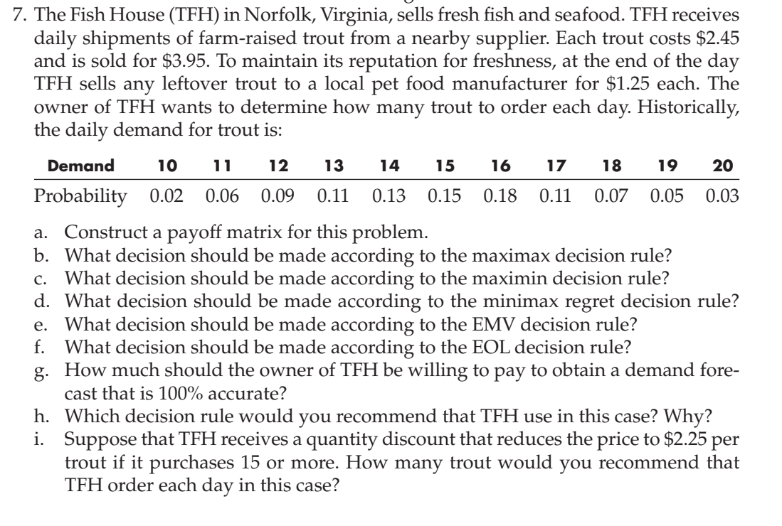
Cost price per trout= |  | $2.45
Selling price per trout= |  | $3.95
Surplus price per trout= |  | $1.25
Profit per trout= |  | $1.50
Loss per trout for leftover= |  | ($1.20)

Payoff matrix
 | Demand
Order | 10 | 11 | 12 | 13 | 14 | 15 | 16 | 17 | 18 | 19 | 20
10 | $15.00 | $15.00 | $15.00 | $15.00 | $15.00 | $15.00 | $15.00 | $15.00 | $15.00 | $15.00 | $15.00
11 | $13.80 | $16.50 | $16.50 | $16.50 | $16.50 | $16.50 | $16.50 | $16.50 | $16.50 | $16.50 | $16.50
12 | $12.60 | $15.30 | $18.00 | $18.00 | $18.00 | $18.00 | $18.00 | $18.00 | $18.00 | $18.00 | $18.00
13 | $11.40 | $14.10 | $16.80 | $19.50 | $19.50 | $19.50 | $19.50 | $19.50 | $19.50 | $19.50 | $19.50
14 | $10.20 | $12.90 | $15.60 | $18.30 | $21.00 | $21.00 | $21.00 | $21.00 | $21.00 | $21.00 | $21.00
15 | $9.00 | $11.70 | $14.40 | $17.10 | $19.80 | $22.50 | $22.50 | $22.50 | $22.50 | $22.50 | $22.50
16 | $7.80 | $10.50 | $13.20 | $15.90 | $18.60 | $21.30 | $24.00 | $24.00 | $24.00 | $24.00 | $24.00
17 | $6.60 | $9.30 | $12.00 | $14.70 | $17.40 | $20.10 | $22.80 | $25.50 | $25.50 | $25.50 | $25.50
18 | $5.40 | $8.10 | $10.80 | $13.50 | $16.20 | $18.90 | $21.60 | $24.30 | $27.00 | $27.00 | $27.00
19 | $4.20 | $6.90 | $9.60 | $12.30 | $15.00 | $17.70 | $20.40 | $23.10 | $25.80 | $28.50 | $28.50
20 | $3.00 | $5.70 | $8.40 | $11.10 | $13.80 | $16.50 | $19.20 | $21.90 | $24.60 | $27.30 | $30.00
a) The payoff matrix is given above

Maximax Decision Rule
 | Demand
Order | 10 | 11 | 12 | 13 | 14 | 15 | 16 | 17 | 18 | 19 | 20 | Max | Decision
10 | $15.00 | $15.00 | $15.00 | $15.00 | $15.00 | $15.00 | $15.00 | $15.00 | $15.00 | $15.00 | $15.00 | $15.00
11 | $13.80 | $16.50 | $16.50 | $16.50 | $16.50 | $16.50 | $16.50 | $16.50 | $16.50 | $16.50 | $16.50 | $16.50
12 | $12.60 | $15.30 | $18.00 | $18.00 | $18.00 | $18.00 | $18.00 | $18.00 | $18.00 | $18.00 | $18.00 | $18.00
13 | $11.40 | $14.10 | $16.80 | $19.50 | $19.50 | $19.50 | $19.50 | $19.50 | $19.50 | $19.50 | $19.50 | $19.50
14 | $10.20 | $12.90 | $15.60 | $18.30 | $21.00 | $21.00 | $21.00 | $21.00 | $21.00 | $21.00 | $21.00 | $21.00
15 | $9.00 | $11.70 | $14.40 | $17.10 | $19.80 | $22.50 | $22.50 | $22.50 | $22.50 | $22.50 | $22.50 | $22.50
16 | $7.80 | $10.50 | $13.20 | $15.90 | $18.60 | $21.30 | $24.00 | $24.00 | $24.00 | $24.00 | $24.00 | $24.00
17 | $6.60 | $9.30 | $12.00 | $14.70 | $17.40 | $20.10 | $22.80 | $25.50 | $25.50 | $25.50 | $25.50 | $25.50
18 | $5.40 | $8.10 | $10.80 | $13.50 | $16.20 | $18.90 | $21.60 | $24.30 | $27.00 | $27.00 | $27.00 | $27.00
19 | $4.20 | $6.90 | $9.60 | $12.30 | $15.00 | $17.70 | $20.40 | $23.10 | $25.80 | $28.50 | $28.50 | $28.50
20 | $3.00 | $5.70 | $8.40 | $11.10 | $13.80 | $16.50 | $19.20 | $21.90 | $24.60 | $27.30 | $30.00 | $30.00 | Maximum. Select this.
b) 20 trouts should be ordered if maximax decision rule is used

Maximin Decision Rule
 | Demand
Order | 10 | 11 | 12 | 13 | 14 | 15 | 16 | 17 | 18 | 19 | 20 | Min | Decision
10 | $15.00 | $15.00 | $15.00 | $15.00 | $15.00 | $15.00 | $15.00 | $15.00 | $15.00 | $15.00 | $15.00 | $15.00 | Maximum. Select this.
11 | $13.80 | $16.50 | $16.50 | $16.50 | $16.50 | $16.50 | $16.50 | $16.50 | $16.50 | $16.50 | $16.50 | $13.80
12 | $12.60 | $15.30 | $18.00 | $18.00 | $18.00 | $18.00 | $18.00 | $18.00 | $18.00 | $18.00 | $18.00 | $12.60
13 | $11.40 | $14.10 | $16.80 | $19.50 | $19.50 | $19.50 | $19.50 | $19.50 | $19.50 | $19.50 | $19.50 | $11.40
14 | $10.20 | $12.90 | $15.60 | $18.30 | $21.00 | $21.00 | $21.00 | $21.00 | $21.00 | $21.00 | $21.00 | $10.20
15 | $9.00 | $11.70 | $14.40 | $17.10 | $19.80 | $22.50 | $22.50 | $22.50 | $22.50 | $22.50 | $22.50 | $9.00
16 | $7.80 | $10.50 | $13.20 | $15.90 | $18.60 | $21.30 | $24.00 | $24.00 | $24.00 | $24.00 | $24.00 | $7.80
17 | $6.60 | $9.30 | $12.00 | $14.70 | $17.40 | $20.10 | $22.80 | $25.50 | $25.50 | $25.50 | $25.50 | $6.60
18 | $5.40 | $8.10 | $10.80 | $13.50 | $16.20 | $18.90 | $21.60 | $24.30 | $27.00 | $27.00 | $27.00 | $5.40
19 | $4.20 | $6.90 | $9.60 | $12.30 | $15.00 | $17.70 | $20.40 | $23.10 | $25.80 | $28.50 | $28.50 | $4.20
20 | $3.00 | $5.70 | $8.40 | $11.10 | $13.80 | $16.50 | $19.20 | $21.90 | $24.60 | $27.30 | $30.00 | $3.00
c) 10 trouts should be ordered if maximin decision rule is used

Minimax Regret Decision Rule
 | Demand
Order | 10 | 11 | 12 | 13 | 14 | 15 | 16 | 17 | 18 | 19 | 20 | Max | Decision
10 | $0.00 | $1.50 | $3.00 | $4.50 | $6.00 | $7.50 | $9.00 | $10.50 | $12.00 | $13.50 | $15.00 | $15.00
11 | $1.20 | $0.00 | $1.50 | $3.00 | $4.50 | $6.00 | $7.50 | $9.00 | $10.50 | $12.00 | $13.50 | $13.50
12 | $2.40 | $1.20 | $0.00 | $1.50 | $3.00 | $4.50 | $6.00 | $7.50 | $9.00 | $10.50 | $12.00 | $12.00
13 | $3.60 | $2.40 | $1.20 | $0.00 | $1.50 | $3.00 | $4.50 | $6.00 | $7.50 | $9.00 | $10.50 | $10.50
14 | $4.80 | $3.60 | $2.40 | $1.20 | $0.00 | $1.50 | $3.00 | $4.50 | $6.00 | $7.50 | $9.00 | $9.00
15 | $6.00 | $4.80 | $3.60 | $2.40 | $1.20 | $0.00 | $1.50 | $3.00 | $4.50 | $6.00 | $7.50 | $7.50
16 | $7.20 | $6.00 | $4.80 | $3.60 | $2.40 | $1.20 | $0.00 | $1.50 | $3.00 | $4.50 | $6.00 | $7.20 | Minimum. Select this.
17 | $8.40 | $7.20 | $6.00 | $4.80 | $3.60 | $2.40 | $1.20 | $0.00 | $1.50 | $3.00 | $4.50 | $8.40
18 | $9.60 | $8.40 | $7.20 | $6.00 | $4.80 | $3.60 | $2.40 | $1.20 | $0.00 | $1.50 | $3.00 | $9.60
19 | $10.80 | $9.60 | $8.40 | $7.20 | $6.00 | $4.80 | $3.60 | $2.40 | $1.20 | $0.00 | $1.50 | $10.80
20 | $12.00 | $10.80 | $9.60 | $8.40 | $7.20 | $6.00 | $4.80 | $3.60 | $2.40 | $1.20 | $0.00 | $12.00
d) 16 trouts should be ordered if minimax regret decision rule is used

EMV Decision Rule
 | Demand
Order | 10 | 11 | 12 | 13 | 14 | 15 | 16 | 17 | 18 | 19 | 20 | EMV | Decision
10 | $15.00 | $15.00 | $15.00 | $15.00 | $15.00 | $15.00 | $15.00 | $15.00 | $15.00 | $15.00 | $15.00 | $15.00
11 | $13.80 | $16.50 | $16.50 | $16.50 | $16.50 | $16.50 | $16.50 | $16.50 | $16.50 | $16.50 | $16.50 | $16.45
12 | $12.60 | $15.30 | $18.00 | $18.00 | $18.00 | $18.00 | $18.00 | $18.00 | $18.00 | $18.00 | $18.00 | $17.73
13 | $11.40 | $14.10 | $16.80 | $19.50 | $19.50 | $19.50 | $19.50 | $19.50 | $19.50 | $19.50 | $19.50 | $18.77
14 | $10.20 | $12.90 | $15.60 | $18.30 | $21.00 | $21.00 | $21.00 | $21.00 | $21.00 | $21.00 | $21.00 | $19.51
15 | $9.00 | $11.70 | $14.40 | $17.10 | $19.80 | $22.50 | $22.50 | $22.50 | $22.50 | $22.50 | $22.50 | $19.91 | Maximum. Select this.
16 | $7.80 | $10.50 | $13.20 | $15.90 | $18.60 | $21.30 | $24.00 | $24.00 | $24.00 | $24.00 | $24.00 | $19.90
17 | $6.60 | $9.30 | $12.00 | $14.70 | $17.40 | $20.10 | $22.80 | $25.50 | $25.50 | $25.50 | $25.50 | $19.40
18 | $5.40 | $8.10 | $10.80 | $13.50 | $16.20 | $18.90 | $21.60 | $24.30 | $27.00 | $27.00 | $27.00 | $18.60
19 | $4.20 | $6.90 | $9.60 | $12.30 | $15.00 | $17.70 | $20.40 | $23.10 | $25.80 | $28.50 | $28.50 | $17.62
20 | $3.00 | $5.70 | $8.40 | $11.10 | $13.80 | $16.50 | $19.20 | $21.90 | $24.60 | $27.30 | $30.00 | $16.50
e) 15 trouts should be ordered if EMV decision rule is used

Probability | 0.02 | 0.06 | 0.09 | 0.11 | 0.13 | 0.15 | 0.18 | 0.11 | 0.07 | 0.05 | 0.03

Minimax Regret Decision Rule
 | Demand
Order | 10 | 11 | 12 | 13 | 14 | 15 | 16 | 17 | 18 | 19 | 20 | EOL | Decision
10 | $0.00 | $1.50 | $3.00 | $4.50 | $6.00 | $7.50 | $9.00 | $10.50 | $12.00 | $13.50 | $15.00 | $7.50
11 | $1.20 | $0.00 | $1.50 | $3.00 | $4.50 | $6.00 | $7.50 | $9.00 | $10.50 | $12.00 | $13.50 | $6.05
12 | $2.40 | $1.20 | $0.00 | $1.50 | $3.00 | $4.50 | $6.00 | $7.50 | $9.00 | $10.50 | $12.00 | $4.77
13 | $3.60 | $2.40 | $1.20 | $0.00 | $1.50 | $3.00 | $4.50 | $6.00 | $7.50 | $9.00 | $10.50 | $3.73
14 | $4.80 | $3.60 | $2.40 | $1.20 | $0.00 | $1.50 | $3.00 | $4.50 | $6.00 | $7.50 | $9.00 | $2.99
15 | $6.00 | $4.80 | $3.60 | $2.40 | $1.20 | $0.00 | $1.50 | $3.00 | $4.50 | $6.00 | $7.50 | $2.59 | Minimum. Select this.
16 | $7.20 | $6.00 | $4.80 | $3.60 | $2.40 | $1.20 | $0.00 | $1.50 | $3.00 | $4.50 | $6.00 | $2.60
17 | $8.40 | $7.20 | $6.00 | $4.80 | $3.60 | $2.40 | $1.20 | $0.00 | $1.50 | $3.00 | $4.50 | $3.10
18 | $9.60 | $8.40 | $7.20 | $6.00 | $4.80 | $3.60 | $2.40 | $1.20 | $0.00 | $1.50 | $3.00 | $3.90
19 | $10.80 | $9.60 | $8.40 | $7.20 | $6.00 | $4.80 | $3.60 | $2.40 | $1.20 | $0.00 | $1.50 | $4.88
20 | $12.00 | $10.80 | $9.60 | $8.40 | $7.20 | $6.00 | $4.80 | $3.60 | $2.40 | $1.20 | $0.00 | $6.00
f) 15 trouts should be ordered if EOL decision rule is used

EVPI
 | Demand
Perfect order | 10 | 11 | 12 | 13 | 14 | 15 | 16 | 17 | 18 | 19 | 20
Max payoff | $15.00 | $16.50 | $18.00 | $19.50 | $21.00 | $22.50 | $24.00 | $25.50 | $27.00 | $28.50 | $30.00
Probability | 0.02 | 0.06 | 0.09 | 0.11 | 0.13 | 0.15 | 0.18 | 0.11 | 0.07 | 0.05 | 0.03
Expected value with perfect information |  |  |  | $22.50
Expected Monetary Value |  |  |  | $19.91
Expected value of perfect information |  |  |  | $2.59
g) The owner should be willing to pay $2.59 for the perfect information

h) Hence, among the methods from b to f I would suggest the company to either go for EMV or EOL method as it includes the probability of occurance of demand which provides more accurate data. If the owner finds any professional to work under $2.59 he could go with that to get 100% accurate result

i)
For order less than 15 |  |  |  | For order more than or equal to15
Cost price per trout= |  | $2.45 |  | Cost price per trout= |  |  | $2.25
Selling price per trout= |  | $3.95 |  | Selling price per trout= |  |  | $3.95
Surplus price per trout= |  | $1.25 |  | Surplus price per trout= |  |  | $1.25
Profit per trout= |  | $1.50 |  | Profit per trout= |  |  | $1.70
Loss per trout for leftover |  | ($1.20) |  | Loss per trout for leftover |  |  | ($1.00)

Payoff matrix
 | Demand
Order | 10 | 11 | 12 | 13 | 14 | 15 | 16 | 17 | 18 | 19 | 20 | EMV | Decision
10 | $15.00 | $15.00 | $15.00 | $15.00 | $15.00 | $15.00 | $15.00 | $15.00 | $15.00 | $15.00 | $15.00 | $15.00
11 | $13.80 | $16.50 | $16.50 | $16.50 | $16.50 | $16.50 | $16.50 | $16.50 | $16.50 | $16.50 | $16.50 | $16.45
12 | $12.60 | $15.30 | $18.00 | $18.00 | $18.00 | $18.00 | $18.00 | $18.00 | $18.00 | $18.00 | $18.00 | $17.73
13 | $11.40 | $14.10 | $16.80 | $19.50 | $19.50 | $19.50 | $19.50 | $19.50 | $19.50 | $19.50 | $19.50 | $18.77
14 | $10.20 | $12.90 | $15.60 | $18.30 | $21.00 | $21.00 | $21.00 | $21.00 | $21.00 | $21.00 | $21.00 | $19.51
15 | $12.00 | $14.70 | $17.40 | $20.10 | $22.80 | $25.50 | $25.50 | $25.50 | $25.50 | $25.50 | $25.50 | $22.91
16 | $11.00 | $13.70 | $16.40 | $19.10 | $21.80 | $24.50 | $27.20 | $27.20 | $27.20 | $27.20 | $27.20 | $23.10 | Maximum. Select this.
17 | $10.00 | $12.70 | $15.40 | $18.10 | $20.80 | $23.50 | $26.20 | $28.90 | $28.90 | $28.90 | $28.90 | $22.80
18 | $9.00 | $11.70 | $14.40 | $17.10 | $19.80 | $22.50 | $25.20 | $27.90 | $30.60 | $30.60 | $30.60 | $22.20
19 | $8.00 | $10.70 | $13.40 | $16.10 | $18.80 | $21.50 | $24.20 | $26.90 | $29.60 | $32.30 | $32.30 | $21.42
20 | $7.00 | $9.70 | $12.40 | $15.10 | $17.80 | $20.50 | $23.20 | $25.90 | $28.60 | $31.30 | $34.00 | $20.50

Probability | 0.02 | 0.06 | 0.09 | 0.11 | 0.13 | 0.15 | 0.18 | 0.11 | 0.07 | 0.05 | 0.03

i) 16 trouts should be ordered if EMV decision rule is used in this second case if discount is given for more than or equal to 15 purchase.

8
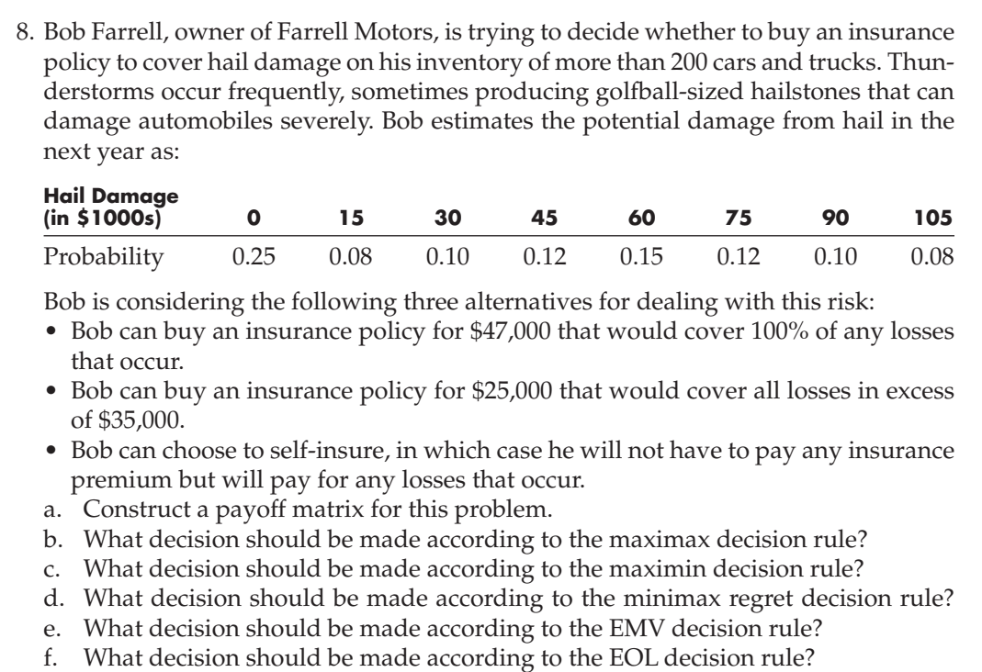
Hail Damage in $1000 | 0 | 15 | 30 | 45 | 60 | 75 | 90 | 105
Probability | 0.25 | 0.08 | 0.1 | 0.12 | 0.15 | 0.12 | 0.1 | 0.08

Alternatives | Loss covered by insurance for different hail damages
$47000 insurance policy | -47 | -47 | -47 | -47 | -47 | -47 | -47 | -47
$25000 insurance policy | -25 | -40 | -55 | -60 | -60 | -60 | -60 | -60
Self insurance | 0 | -15 | -30 | -45 | -60 | -75 | -90 | -105
a) The payoff matrix is obtained in the above table for losses covered by insurance for different hail damages

Maximax Decision Rule
 | Loss covered by insurance for different hail damages |  |  |  |  |  |  |  | max | Decision
$47000 insurance policy | -47 | -47 | -47 | -47 | -47 | -47 | -47 | -47 | -47
$25000 insurance policy | -25 | -40 | -55 | -60 | -60 | -60 | -60 | -60 | -25
Self insurance | 0 | -15 | -30 | -45 | -60 | -75 | -90 | -105 | 0 | Maximum. Select this
b) Bob should self-insure according to Maximax Decision Rule.

Maximin Decision Rule
 | Loss covered by insurance for different hail damages |  |  |  |  |  |  |  | Min | Decision
$47000 insurance policy | -47 | -47 | -47 | -47 | -47 | -47 | -47 | -47 | -47 | Maximum. Select this
$25000 insurance policy | -25 | -40 | -55 | -60 | -60 | -60 | -60 | -60 | -60
Self insurance | 0 | -15 | -30 | -45 | -60 | -75 | -90 | -105 | -105
c) Bob should take insuarance policy for $47,000 according to Maximin Decision Rule.

Minimax Regret Decision Rule
 | Loss covered by insurance for different hail damages |  |  |  |  |  |  |  | Max | Decision
$47000 insurance policy | 47 | 32 | 17 | 2 | 0 | 0 | 0 | 0 | 47
$25000 insurance policy | 25 | 25 | 25 | 15 | 13 | 13 | 13 | 13 | 25 | Minimum. Select this
Self insurance | 0 | 0 | 0 | 0 | 13 | 28 | 43 | 58 | 58
d) Bob should take insuarance policy for $25,000 according to Minimax Regret Decision Rule.

EMV Decision Rule
 | Loss covered by insurance for different hail damages |  |  |  |  |  |  |  | EMV | Decision
$47000 insurance policy | -47 | -47 | -47 | -47 | -47 | -47 | -47 | -47 | -47
$25000 insurance policy | -25 | -40 | -55 | -60 | -60 | -60 | -60 | -60 | -49.15
Self insurance | 0 | -15 | -30 | -45 | -60 | -75 | -90 | -105 | -45 | Maximum. Select this
e) Bob should self-insure according to EMV Decision Rule.

EOL Decision Rule
 | Loss covered by insurance for different hail damages |  |  |  |  |  |  |  | EOL | Decision
$47000 insurance policy | 47 | 32 | 17 | 2 | 0 | 0 | 0 | 0 | 16.25
$25000 insurance policy | 25 | 25 | 25 | 15 | 13 | 13 | 13 | 13 | 18.4
Self insurance | 0 | 0 | 0 | 0 | 13 | 28 | 43 | 58 | 14.25 | Minimum. Select this
f)Bob should self-insure according to EOL Decision Rule.

9
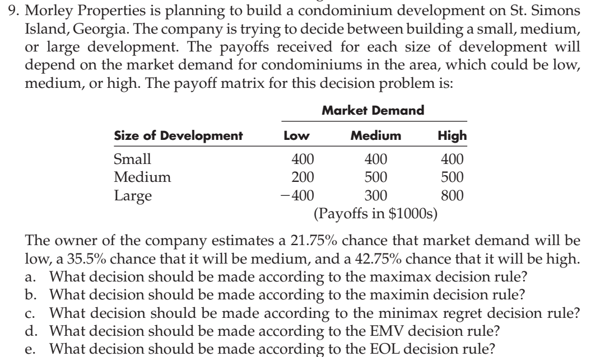
Payoff Matrix

 | Market Demand
Size | Low | Medium | High
Small | 400 | 400 | 400
Medium | 200 | 500 | 500 | payoffs in $1000
Large | -400 | 300 | 800

Maximax Decision Rule
 | Market Demand
Size | Low | Medium | High | Max | Decision
Small | 400 | 400 | 400 | 400
Medium | 200 | 500 | 500 | 500
Large | -400 | 300 | 800 | 800 | Maximum | Select this
Hence the company should build large development according to maximax decision rule

Maximin Decision Rule
 | Market Demand
Size | Low | Medium | High | Min | Decision
Small | 400 | 400 | 400 | 400 | Maximum | Select this
Medium | 200 | 500 | 500 | 200
Large | -400 | 300 | 800 | -400
Hence the company should build small development according to maximin decision rule

Minimax Regret Decision Rule
 | Market Demand
Size | Low | Medium | High | Max | Decision
Small | 0 | 100 | 400 | 400
Medium | 200 | 0 | 300 | 300 | Minimum | Select this
Large | 800 | 200 | 0 | 800
Hence the company should build medium development according to minimax regret decision rule

EMV Decision Rule
 | Market Demand
Size | Low | Medium | High | EMV | Decision
Small | 400 | 400 | 400 | 400
Medium | 200 | 500 | 500 | 434.75 | Maximum | Select this
Large | -400 | 300 | 800 | 361.5

Probability | 21.75% | 35.50% | 42.75%
Hence the company should build medium development according to EMV decision rule

EOL Decision Rule
 | Market Demand
Size | Low | Medium | High | EOL | Decision
Small | 0 | 100 | 400 | 206.5
Medium | 200 | 0 | 300 | 171.75 | Minimum | Select this
Large | 800 | 200 | 0 | 245

Probability | 21.75% | 35.50% | 42.75%
Hence the company should build medium development according to EOL decision rule

